Main
Powered By

IN ORDER TO RUN THIS FILE You must enable macros in Excel from the Message Bar

If you open an Excel document that contains macros, you'll see the yellow Message Bar with a shield icon and the Enable Content button.

If you are sure, the macros are from a trustworthy source, just press the Enable Content button on the bar.
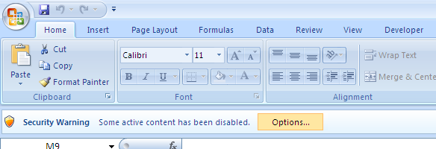

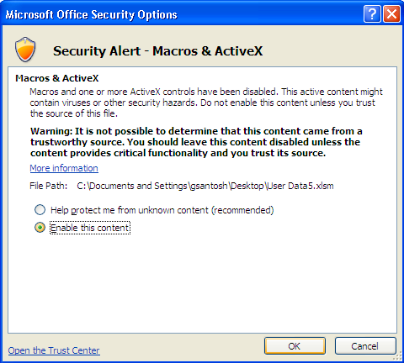

The file will be opened as a trusted document and the security warning will disappear.

Production
Upload
Download
By
Daily
Status
80827 | Emp ID : 80827 |  |  |  |  |  |  |  |  |  |  |  |  |  |  |  | Date | 2018-03-09
Yarlagadda Rama Krishna Chowdary | Emp Name : Yarlagadda Rama Krishna Chowdary |  |  |  |  |  |  |  |  |  |  |  |  |  |  |  | Quick | 0 |  |  |  |  |  | Priority | Total
 |  |  |  |  |  |  |  |  |  |  |  |  |  |  |  |  | Comprehensive | 0 |  | QUARTERS |  |  |  | Critical | 0
Emp Name : Yarlagadda Rama Krishna Chowdary
Emp ID : 80827
 |  |  |  |  |  |  |  |  |  |  |  |  |  |  |  |  | CIC | 0 |  | Q1 2018 | 2018-03-01 |  |  | High | 0
Update
Refresh
 |  |  |  |  |  |  |  |  |  |  |  |  |  |  |  |  | Demo | 0 |  | Q2 2018 | 2018-06-01 |  |  | Medium | 0
 |  |  |  |  |  |  |  |  |  |  |  |  |  |  |  |  | No. of Contact Added | 0 |  | Q3 2018 | 2018-09-01 |  |  | Low | 0
 |  |  |  |  |  |  |  |  |  |  |  |  |  |  |  |  | No. of Unique Contacts | 0 |  | Q4 2018 | 2018-12-01 |  |  | Total Projects | 1
 |  |  |  |  |  |  |  |  |  |  |  |  |  |  |  |  | No. of Contacts Validated | 0
ProjectID | Parent ProjectID | Project Name | Profile Type | Project Value | Value Range | Project Status | Stage | End Year | Const. Start Date | Const. Quarter | Country | Published Date | Age in days | Age in Months | NFU | Planned Update Type | Allocated To | Priority | Contact Opp. | No of Sub Projects | Status | Updated Date | Update Type | No. of Contact Added | No. of Unique Contacts | No. of Contacts Validated | Comments
1111

